Directions
How to use the 12x24 export chart:
1) Download the hourly CSV from the HelioScope report:
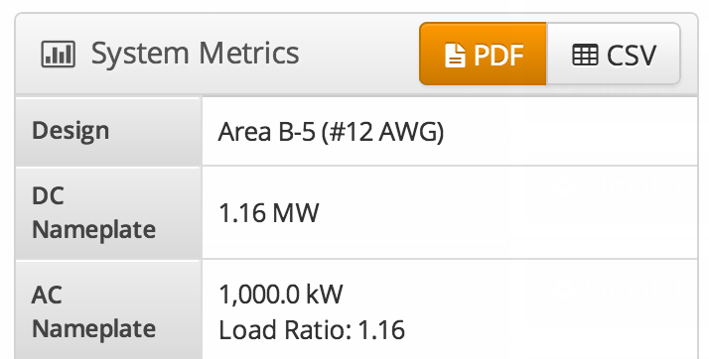

2) Copy & paste the HelioScope output data into the green "8760" tab. Make sure the data begins in the top left cell (A1).
3) Go to the blue "12x24" tab, and select the desired variable. The irradiance/power values will be sorted in a 12x24 format.

Note that the spreadsheet is not password protected - feel free to modify it as you see fit!

