Readme
This spreadsheet will show the loss table each month, based on the 8760 output from HelioScope.

Step 1: paste in the hourly 8760 data into the "8760" tab. Ensure that the table starts in cell A1 (the final column should be "AN")
Step 2: Verify the annual values shown in the green cells in "monthly-losses":

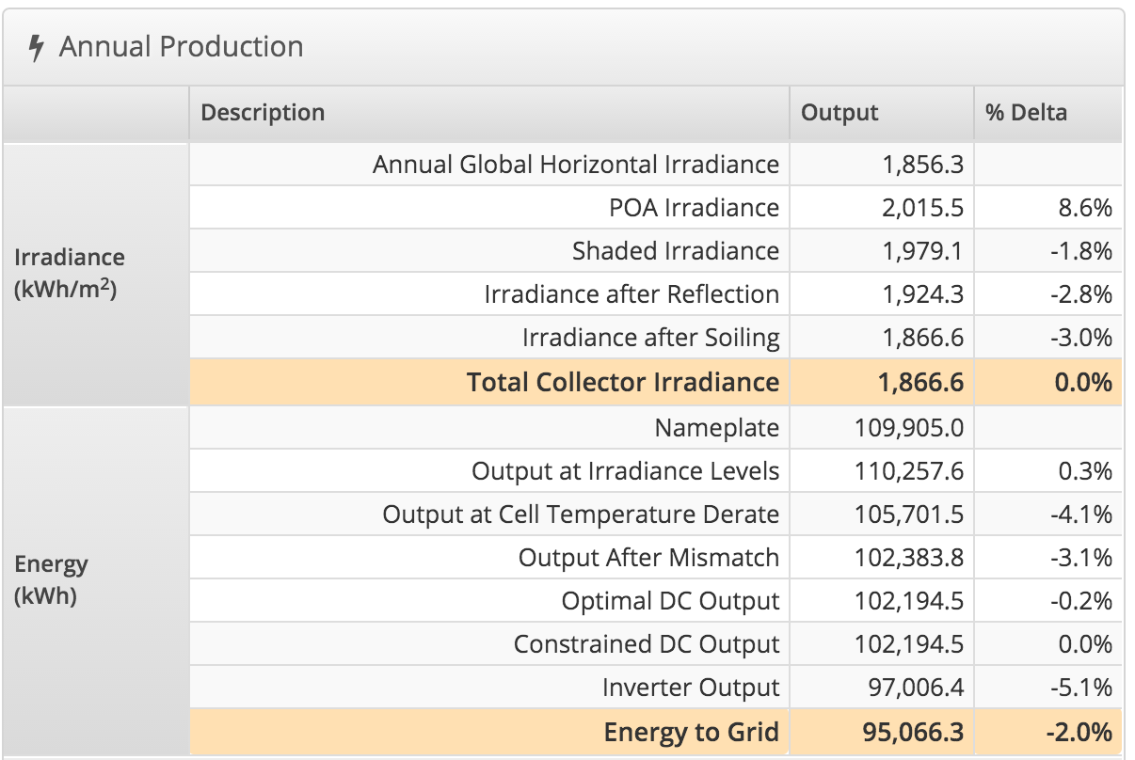

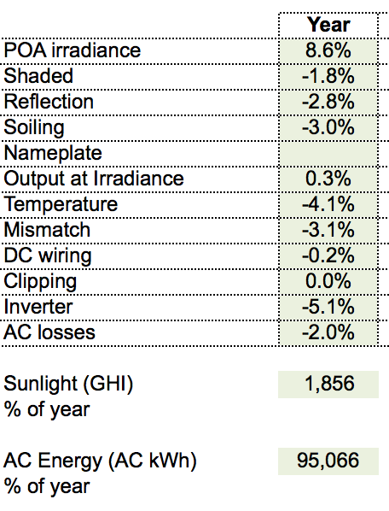

Step 3: view/use the monthly loss factors in the table

